Data Definitions
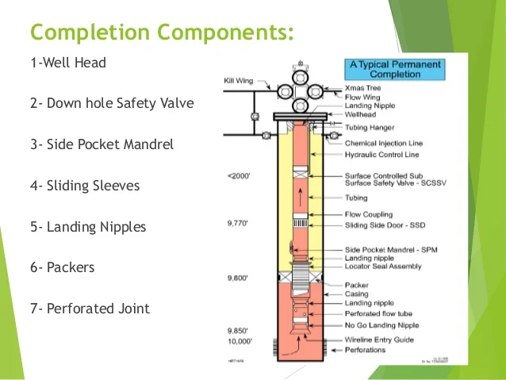
Columns | DataType | Unit | Descriptions | Additional Knowledge/remark
WellName | String | ID | Well ID
TestUsage | String |  | Quality of data | (Allocation = good quality, informational = decent, proviction = new havent been review)
Date | Date | Date | Date of the data entry
OilRate (STB/D) | Float | Stock Tank Barrels Per Day | The the flow rate of oil per day
WaterRate (STB/D) | Float | Stock Tank Barrels Per Day | The flow of water per day
GasRate (MSCF/D) | Float | Million Standard Cubic Feet per Day | The flow of gas rate per day
GasLiftRate (MSCF/D) | Float | Million Standard Cubic Feet per Day | The rate of the gas lift injected into the tubing | Lighten the tubing and lift the fluid up to surface
LiquidRate (STB/D) | Float | Stock Tank Barrels Per Day | The flow of water per day | Sum of oil rate and water rate
WCUT (%) | Float | Percentage | The water cut | Ratio of water to total liquid produced (water / water + oil)
GLR (SCF/STB) | Float | Standard Cubic Feet per Barrel | The Gas Liquid ratio | Ratio of gas to liquid (gas / liquid)
FWHP (Psi) | Float | Pound per Square Inch | Well Head Preasure - The preassure reading at the well head
Tubing ID (Inch) | Float | Inch | The internal diameter of the production tubing of the well
FWHT (DegC) | Float | Degree Celsius | Well Head Temperature - The temperature reading at the well head
WHP Fluctuation (%) | Float | Percentage | Fluctuation in Well Head Preasure in percentage
WHPFluctuation (Psi) | Float | Pound per Square Inch | Fluctuation in Well Head Preasure in absolute PSI, measured in standard deviation
ChokeFluctuation (%) | Float | Percentage | The percentage opening of well head choke valve

